Sheet1
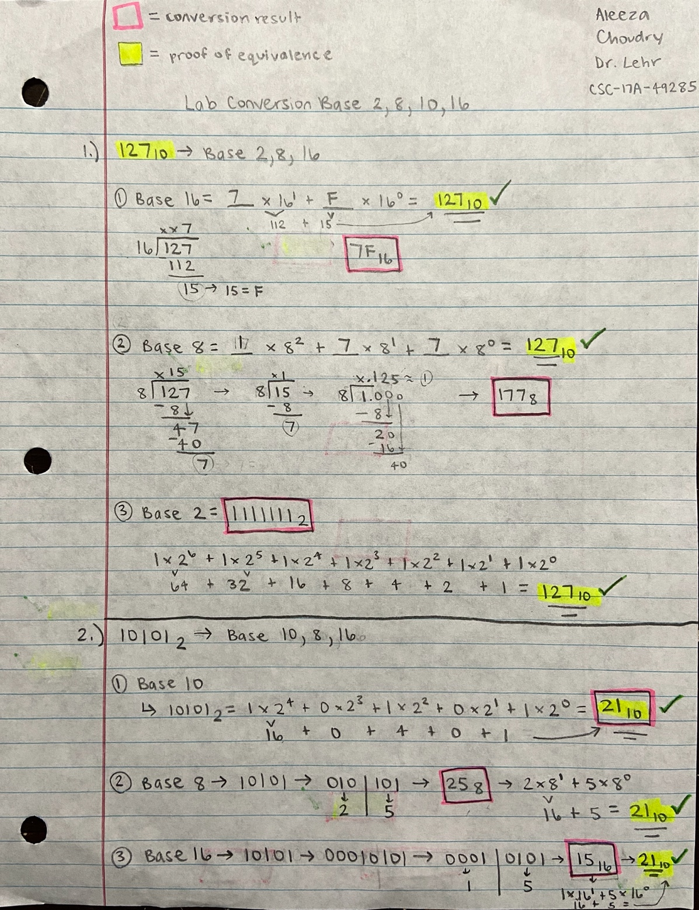
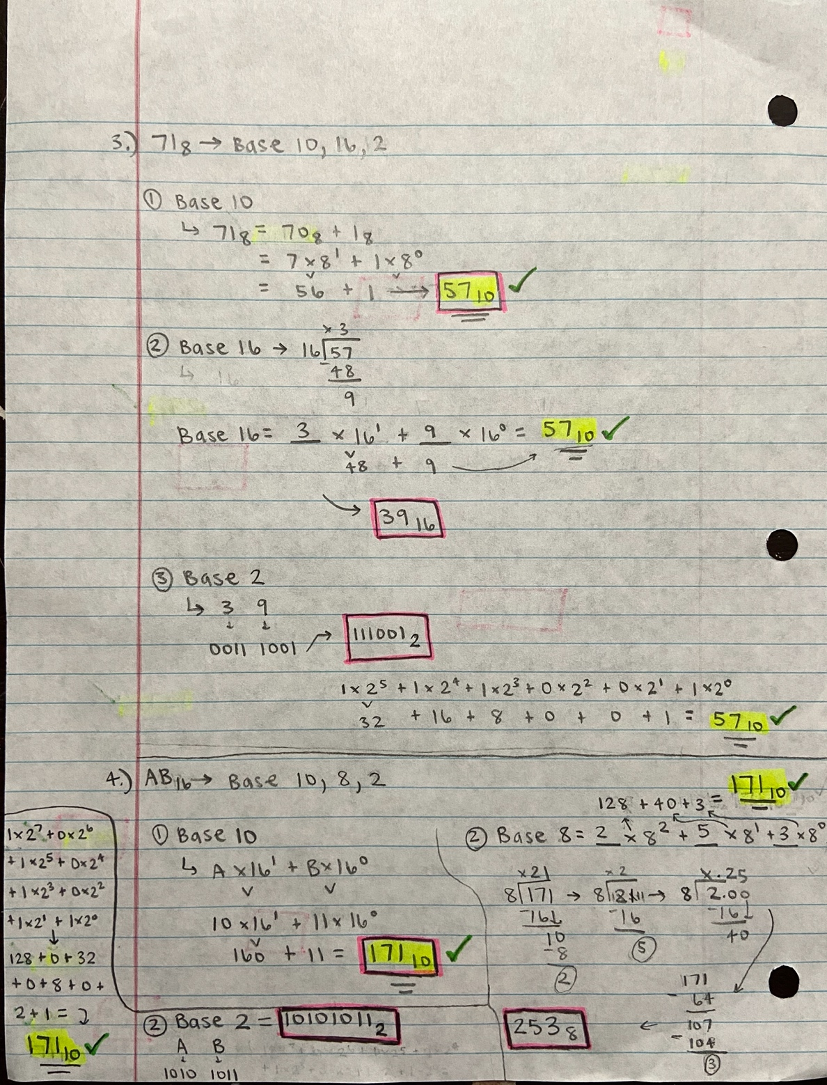
Base 10 | Column1 | Base22 | Column3 | Base 8 | Column5 | Base 16
127 | = | 1111111 | = | 177 | = | 7F
21 | = | 10101 | = | 25 | = | 15
57 | = | 111001 | = | 71 | = | 39
171 | = | 10101011 | = | 253 | = | AB

